Invoice-Number_자료작성방법
INVOICE
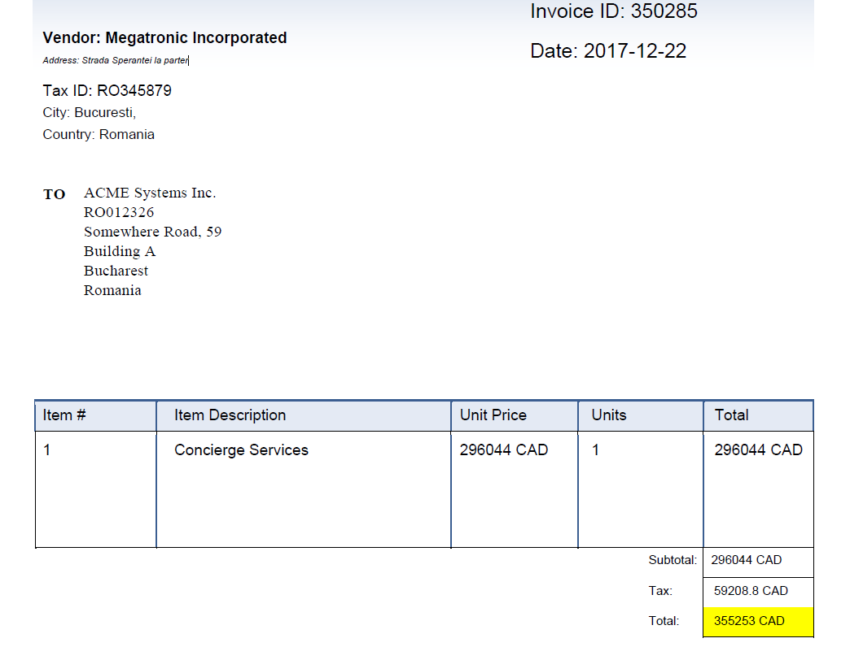
Create a Sales Invoice in this worksheet. Enter Company Logo in cell at right and title of this worksheet in cell E1. Helpful instructions on how to use this worksheet are in cells in this column. Next instruction is in cell A3. | Logo placeholder is in this cell. |  | INVOICE

Enter Company Name in cell at right. | ACME Systems Inc.
Enter Company Slogan in cell at right.
Enter Street Address in cell at right and Invoice number in cell F5. | Somewhere Road 59, |  | INVOICE NO. | Invoice Number
Enter City, State, and ZIP Code in cell at right, and invoicing Date in cell F6. | Bucharest, Romania |  | DATE | 2020-03-03
Enter Phone and Fax numbers in cell at right, and Customer ID in cell F7. |  | Vendor ID |  | TaxID
Enter E-mail address in cell at right.
Enter bill To details in cells C9 through C13, and Ship To details in cells F9 through F13. Next instruction is in cell A14. |  |  | SHIP TO | Company Name
 |  |  |  | Address1
 |  |  |  | City
 |  |  |  | Country
 |  |  |  | Country Code

Enter information in Invoice table starting in cell at right. Subtotal and Total are auto calculated at the end. Next instruction is in cell A38. | QTY | DESCRIPTION | UNIT PRICE | TOTAL

 |  |  | Subtotal
 |  |  | Tax
 |  |  | Total

※요구사항
1. Sheet 명 = [Invoice-Number]
2. 각 색깔과 동일한 곳에 해당하는 데이터를 입력합니다.
3. Country Code 는 Country 에 해당하는 Alpha-2-Code 를 적습니다.
ex) Korea = KR, Zambia=ZM
4. TaxID 가 없을 경우 작성하지 않습니다.

환율사이트_접속방법
환율사이트 접속방법

1

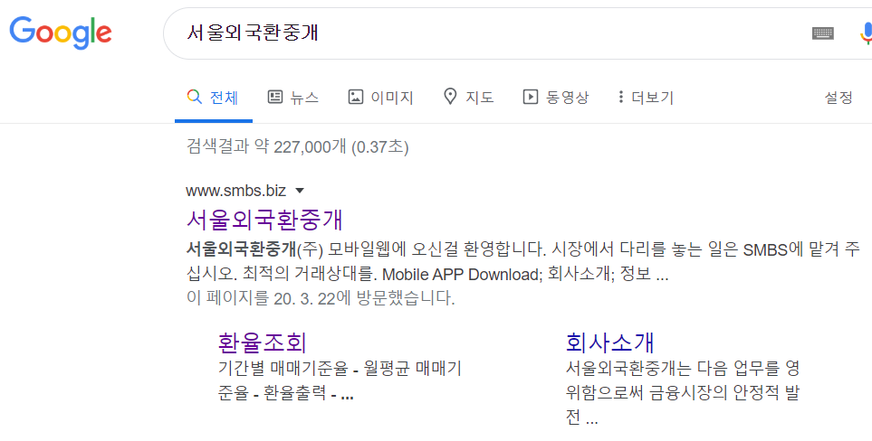

서울외국환중개 검색
1

2

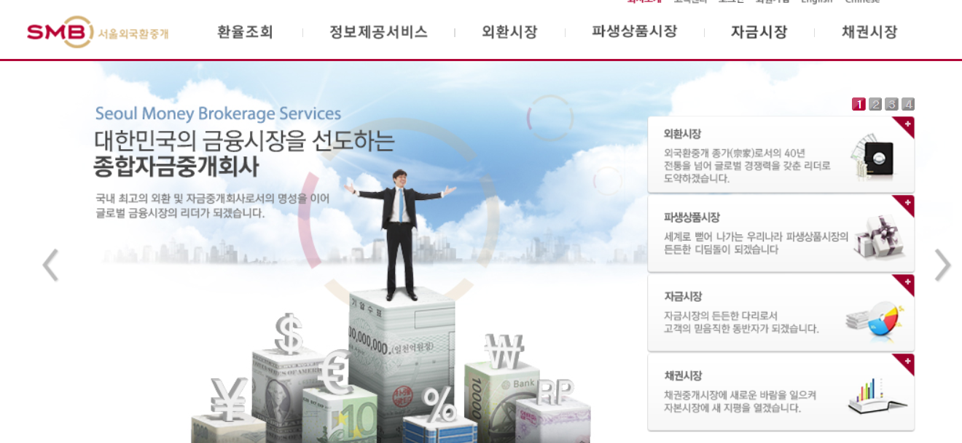
환율조회 메뉴 클릭
2

3

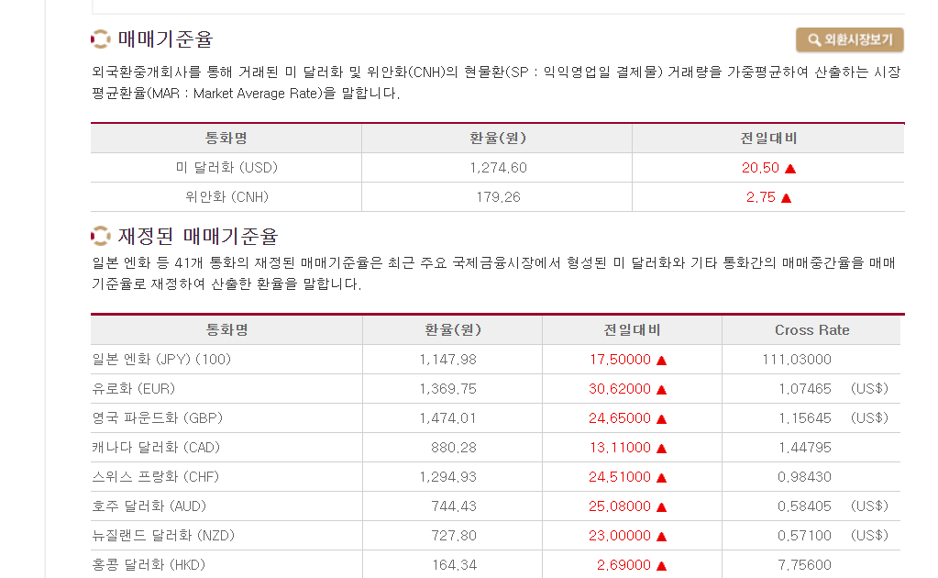
환율추출
3

※ 해당 환율이 없는 경우

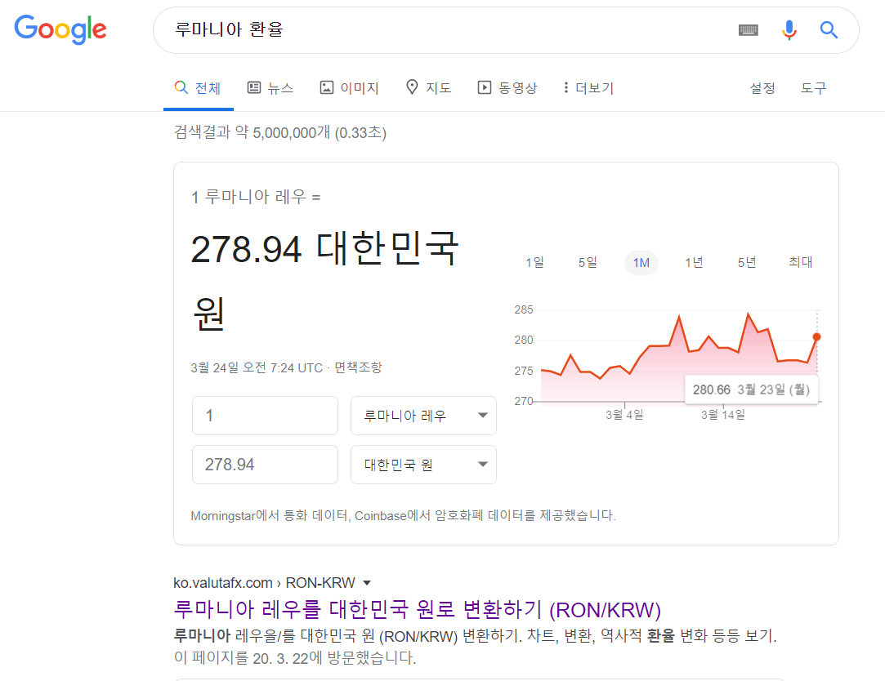

환율 변환 사이트 접속
1
1

환율 추출
2

2

